Background report
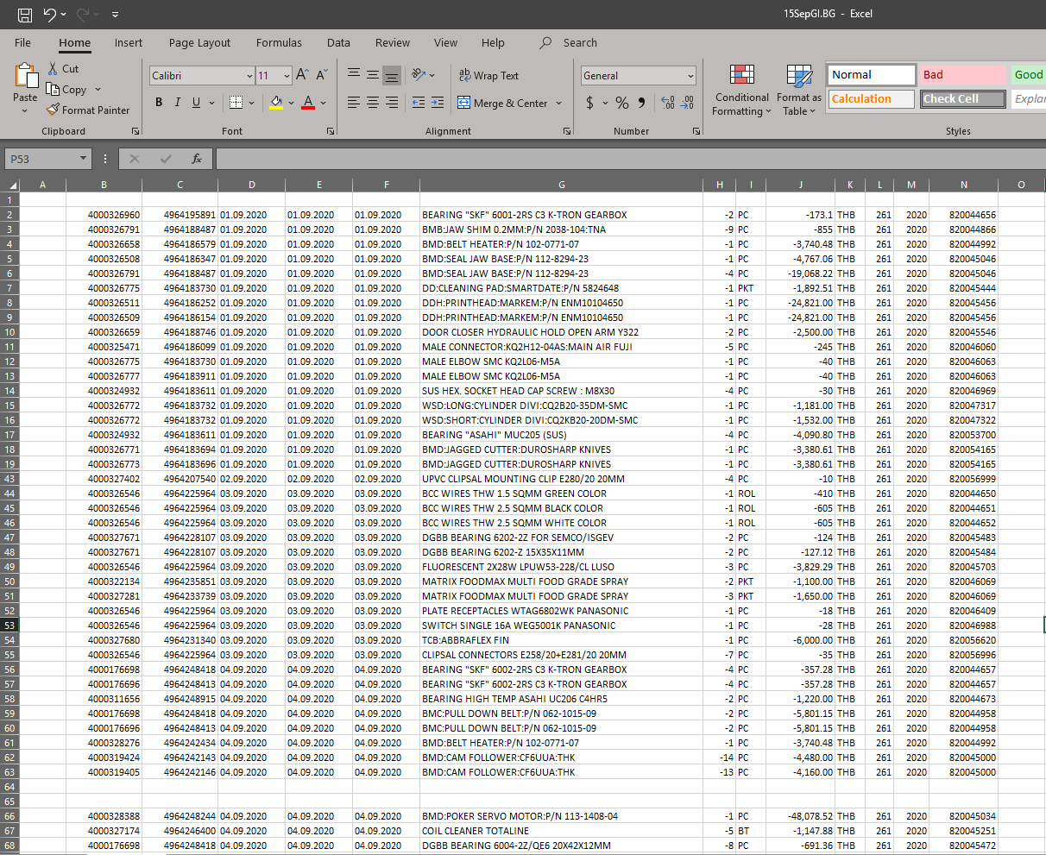
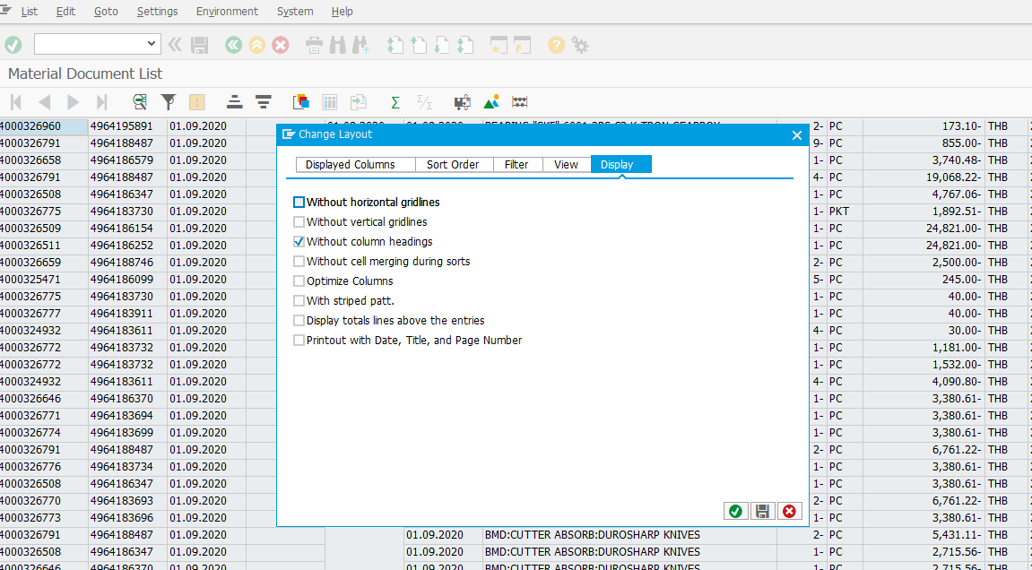
Run Back ground Report in SAP and result as below picture
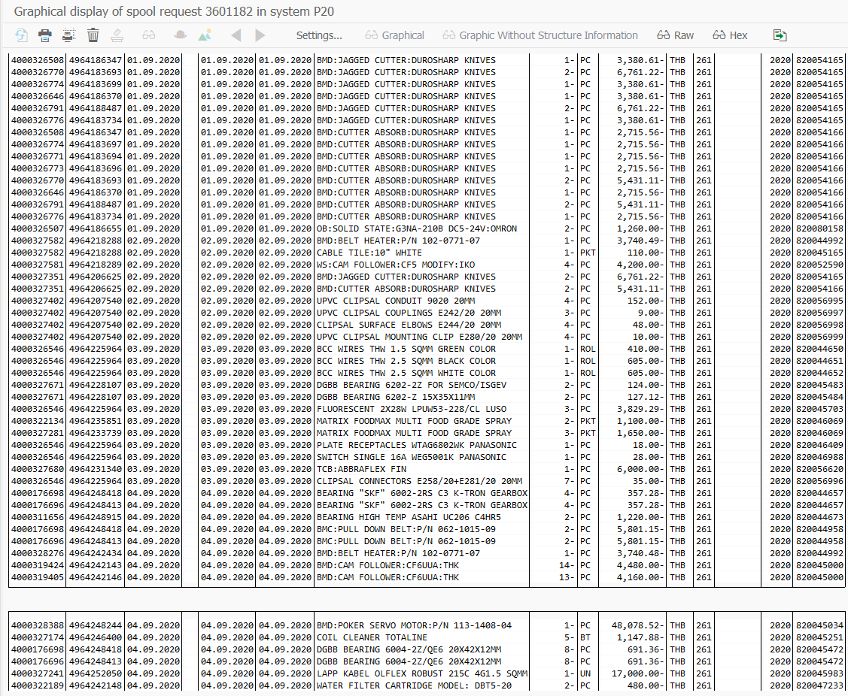

Next we export to Excel and No need Blank row in Excel (Red box in below picture)
How to setting layout display?.

